cover

CHOCOLATE CONSULTANT
APP TRADER REPORT
Isaac
Rose
Dibora Fozeya

targeted_app_characters
* To get the most profitable app, the company may target on characters like maximum rate and minium price .
1. have a 5.0 rating
2. have a price less than 2.50

=> Each of these apps will cost 25000 and have a lifespan of 121 months.
=> the smallest possible cost, and the highest possible lifespan
* 25 increase in rating = 6 month increase in longevity
* .50 increase in rating = 12 month increase in longevity
* .75 increase in rating = 36 month increase in longevity
* 1 increase in rating = 24 month increase in longevity
* 1 increase in rating = 2 years increase in longevity

For play_store

name | price | rating | review_count | purchase_price | longevity
JW Library | 0 | 4.9 | 922752 | 25000 | 121
Six Pack in 30 Days - Abs Workout | 0 | 4.9 | 272337 | 25000 | 121
Six Pack in 30 Days - Abs Workout | 0 | 4.9 | 272172 | 25000 | 121
Tickets + PDA 2018 Exam | 0 | 4.9 | 197136 | 25000 | 121
Learn Japanese, Korean, Chinese Offline & Free | 0 | 4.9 | 133136 | 25000 | 121
Period Tracker | 0 | 4.9 | 100082 | 25000 | 121
StrongLifts 5x5 Workout Gym Log & Personal Trainer | 0 | 4.9 | 66791 | 25000 | 121

For app_store

name | price | rating | review_count | purchase_price | longevity
Head Soccer | 0 | 5 | 481564 | 25000 | 121
Plants vs. Zombies | 0.99 | 5 | 426463 | 25000 | 121
Sniper 3D Assassin: Shoot to Kill Gun Game | 0 | 5 | 386521 | 25000 | 121
Geometry Dash Lite | 0 | 5 | 370370 | 25000 | 121
Infinity Blade | 0.99 | 5 | 326482 | 25000 | 121
Geometry Dash | 1.99 | 5 | 266440 | 25000 | 121
Domino's Pizza USA | 0 | 5 | 258624 | 25000 | 121

profitabile_apps
- -Top 10 List of the apps that App Trader should buy based on profitability/return on investment .

name | purchase_price | total_revenue | total_profit
JW Library | 25000 | 302500 | 277500
Head Soccer | 25000 | 302500 | 277500
Plants vs. Zombies | 25000 | 302500 | 277500
Sniper 3D Assassin: Shoot to Kill Gun Game | 25000 | 302500 | 277500
Geometry Dash Lite | 25000 | 302500 | 277500
Infinity Blade | 25000 | 302500 | 277500
Six Pack in 30 Days - Abs Workout | 25000 | 302500 | 277500
Six Pack in 30 Days - Abs Workout | 25000 | 302500 | 277500
Geometry Dash | 25000 | 302500 | 277500
Domino's Pizza USA | 25000 | 302500 | 277500
PURCHASE PRICE_TOTAL PROFIT

halloween_themed_apps
- - Top 4 list of the apps that App Trader should buy that are profitable but that also are thematically appropriate for the upcoming Halloween themed campaign.

 | name | price | rating | review_count
 | Plants vs. Zombies | 0.99 | 5 | 426463
 | Plants vs. Zombies HD | 0.99 | 5 | 163598
 | X-War: Clash of Zombies | 0 | 5 | 17254
 | Stupid Zombies 3 | 0 | 5 | 10159
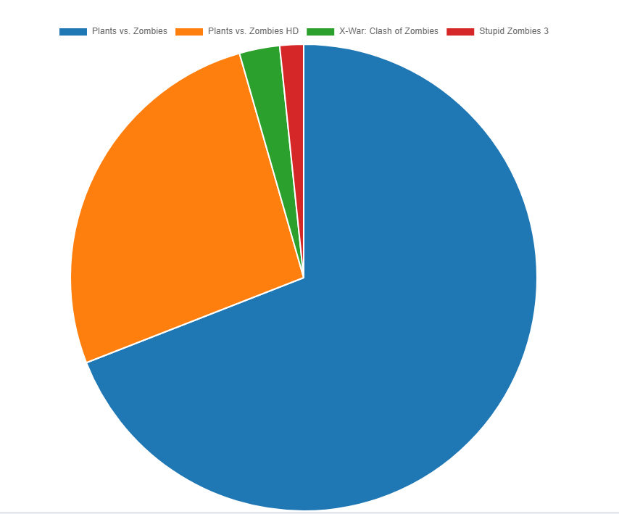

HALLOWEEN_THEMED APPS

